Fed Funding Cut Instructions
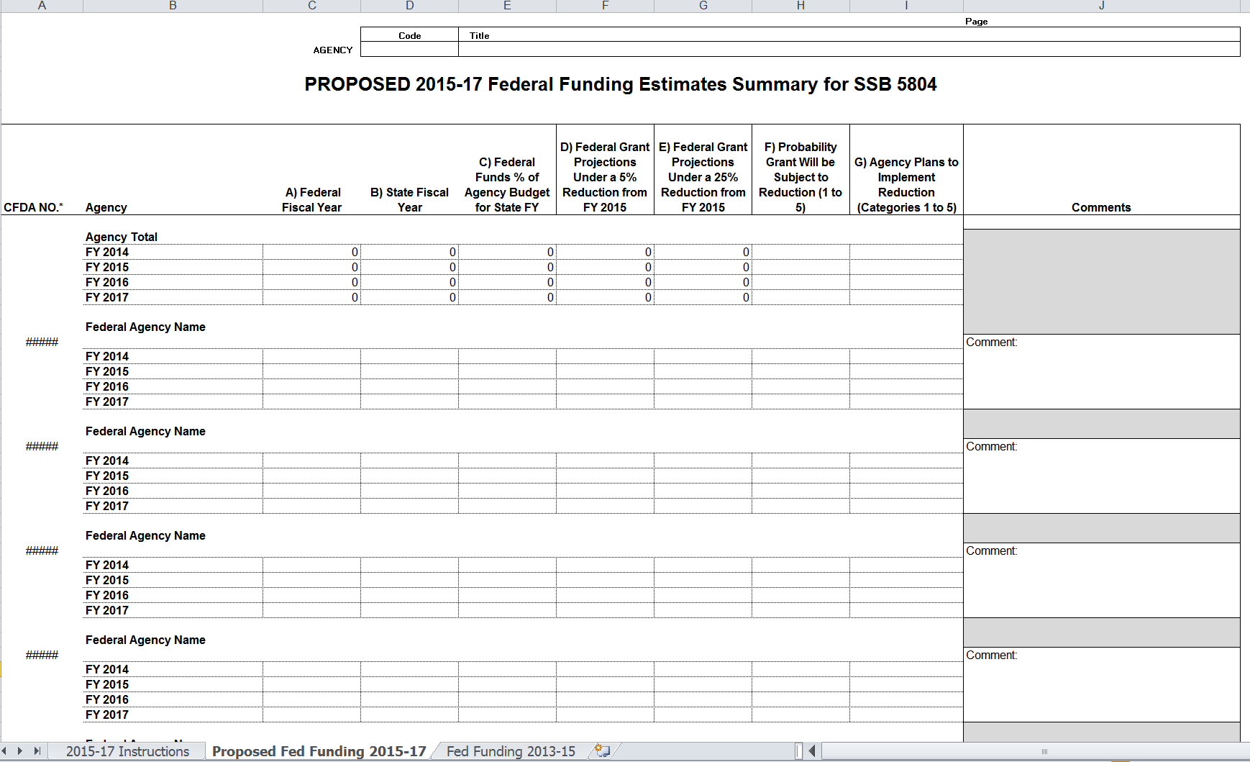
RCW 43.88.096 (Chapter 32, Laws of 2013) requires that designated agencies submit additional information related to receipt of federal funds. These requirements include:
a) Report the aggregate value of federal receipts the agency estimated for the ensuing biennium,
b) Develop plans for operating the designated state agency if there is a reduction of:
i. Five percent or more in the federal receipts that the agency receives; and
ii. Twenty-five percent or more in the federal receipts that the designated state agency receives.

Instructions for Item F | Agencies subject to this requirement:
Provide the probability that the grant will be subject to a reduction.
From 1: Not likely; Congress has authorized the act that provides for the funding for the 2015-17 biennium | · Department of Social and Health Services
To 5: All indications are the grant will be reduced, eliminated, or terminated | · Department of Health
 | · The Health Care Authority
Instructions for Item G: | · Department of Commerce
Provide the following actions agencies will take if grant is reduced during the 2015-17 biennium | · Department of Ecology
1. Reduce administrative expenditures | · Department of Fish and Wildlife
2. Reduce pass-through funding to grant recipients | · Department of Early Learning
3. Lay off state employees | · Office of Superintendent of Public Instruction
4. Reduce program, client services and/or eligibility | ü For each school district within the state.
5. End the program

