PT07
FEDERALLY RECOGNIZED TRIBES OF WASHINGTON STATE
Department of Transportation | 360-705-7991 | http://www.wsdot.wa.gov

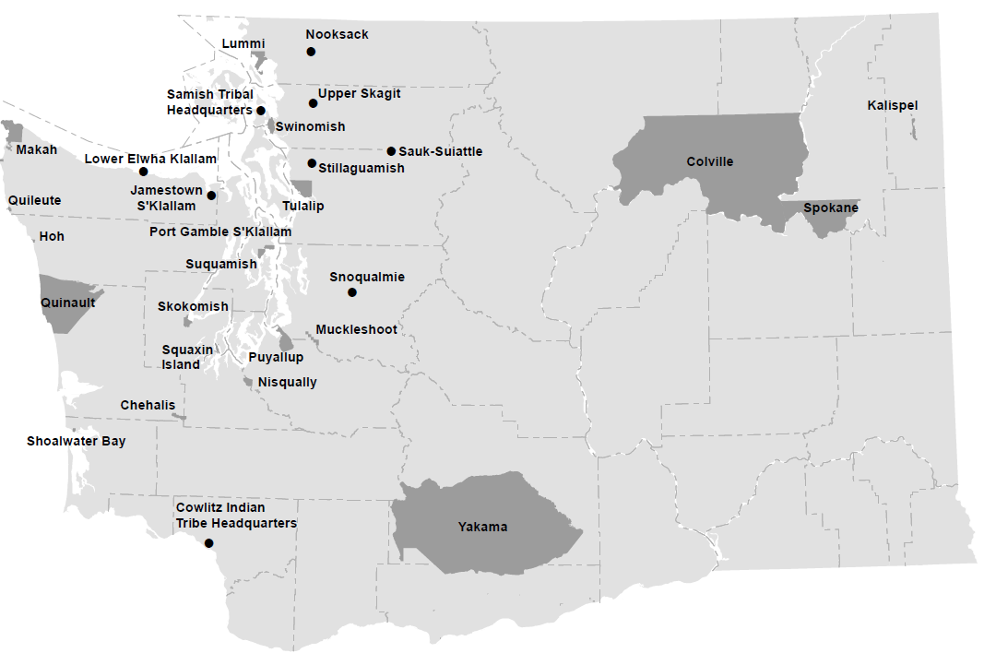

Table: PT07

